CK CINTURE
Offerta cinture CalvinKlein
 | N° FIBBIA | COLORE | QUANTITà | Retail | Tot Retail
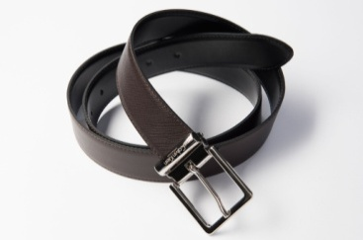 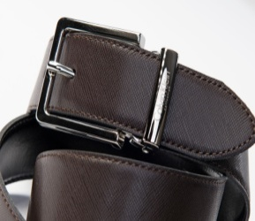 | 019/35 | NKS | 1030 | 89.9 | 92597
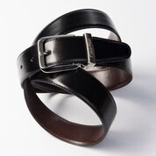 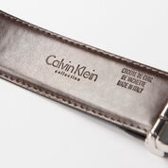 | 014/35 | NKT | 1030 | 89.9 | 92597
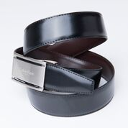 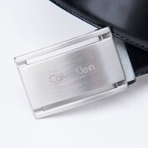 | 022/35 | NKS | 1030 | 89.9 | 92597
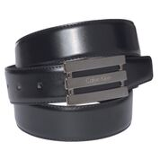 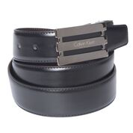 | 046/35 | NKT | 1030 | 89.9 | 92597
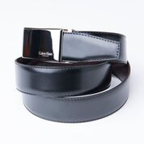 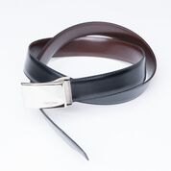 | 016/35 | NKS | 1058 | 89.9 | 95114.2
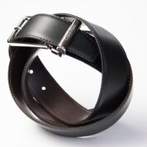 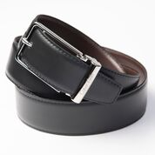 | 017/35 | CF | 860 | 89.9 | 77314
 | 046/35 | NKT | 217 | 89.9 | 19508.3
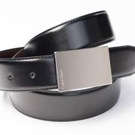 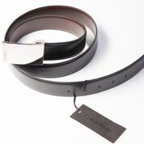 | 045/35 | NKS | 880 | 89.9 | 79112
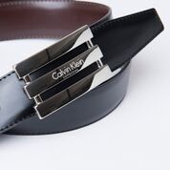 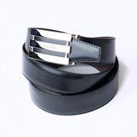 | 046/35 | CF | 1190 | 89.9 | 106981
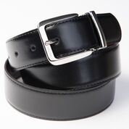 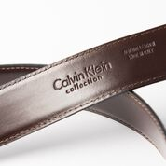 | 18296/35 | NKS | 450 | 89.9 | 40455
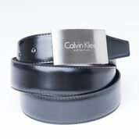 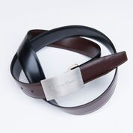 | 015/35 | NKS | 1150 | 89.9 | 103385
 |  |  | 9925 |  | 892257.5

